ART
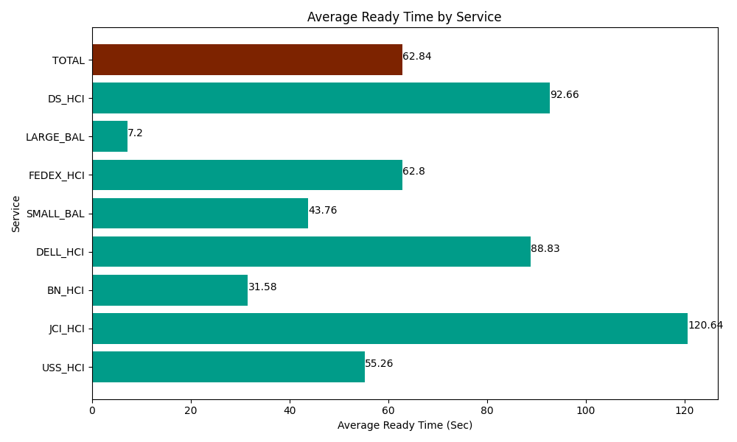
Date | Service | Successful Op Transfer | In Call (Sec) | Ready (Sec) | Wrapup (Sec) | Not Ready (Sec) | Average Ready Time (Sec)
06-13-2024 | USS_HCI | 194 | 27096.000366 | 10720.19989 | 40501.801758 | 18991.199341 | 55.26
06-13-2024 | JCI_HCI | 246 | 21937.199707 | 29677.800293 | 22857.000732 | 3415.8000183 | 120.64
06-13-2024 | BN_HCI | 673 | 37297.800293 | 21250.200806 | 44840.998535 | 24233.999634 | 31.58
06-13-2024 | DELL_HCI | 201 | 19573.200073 | 17854.799194 | 57493.798828 | 16876.199341 | 88.83
06-13-2024 | SMALL_BAL | 124 | 6415.1998901 | 5425.8000183 | 13009.80011 | 21591.000366 | 43.76
06-13-2024 | FEDEX_HCI | 50 | 4708.8002014 | 3139.8001099 | 2851.2000275 | 4368.0001831 | 62.8
06-13-2024 | LARGE_BAL | 1 | 41.999999285 | 7.1999998391 | 1.1999999732 | 10.200000107 | 7.2
06-13-2024 | DS_HCI | 65 | 5701.1997986 | 6022.7998352 | 7597.2001648 | 1628.9999771 | 92.66
 | TOTAL | 1554 | 122771.40033 | 94098.600146 | 189153.00016 | 91115.39886 | 62.84

